View
Core application functions* of metadata repository

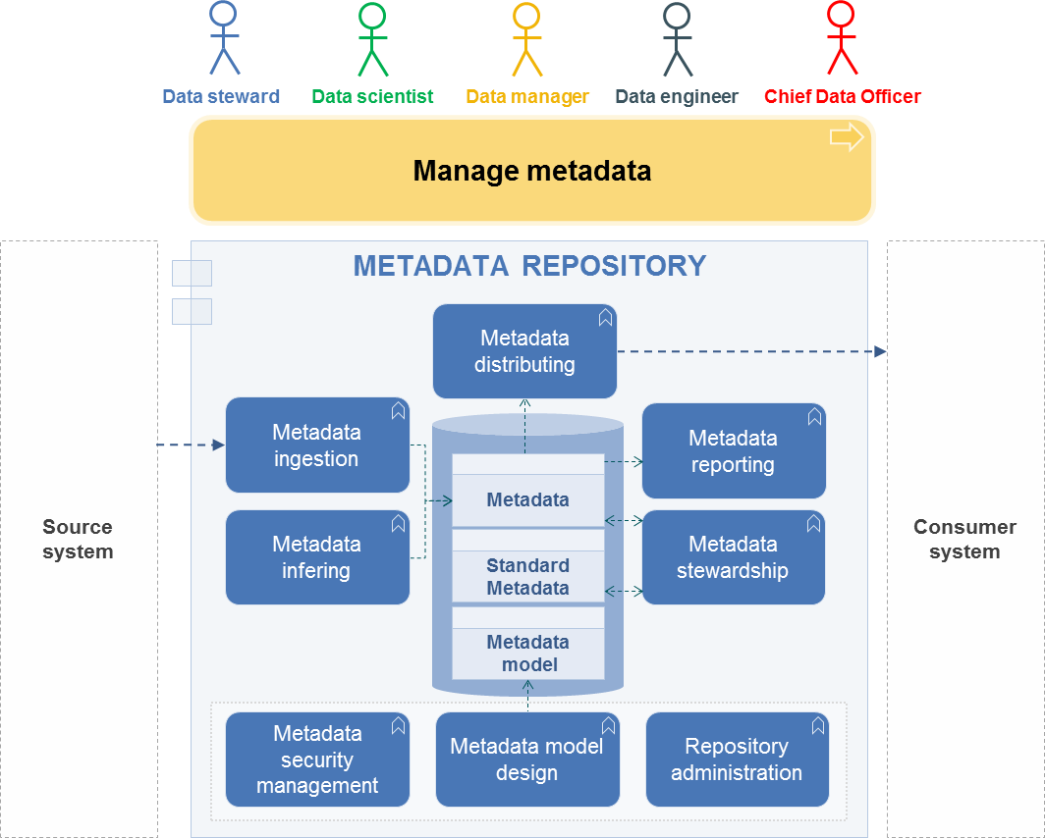

* Core applications fonctions represent the behavior of the application. Each requirement relates to a core application function.

